Sheet1
 | Document No. |  | Issue No. | Issue Date |  |  | Review and Replace Date |  | Authorised By
 | GFF131MC |  | 2 | 01.10.2019 |  |  | 09.10.2020
 | Document Title |  | 12 MINI CHEDDAR & ONION FILLED JACKETS 216g
 | Tray changed to clear |  |  |  |  | Page |  | 1 of 1 | Magda Shah
Document amendments reason for change |  |  |  |  |  | Previous Issue Date |  | 01.10.2019 | Uncontrolled copy unless signed original

CVPSB-R1TEB |  | BOOTHS - XMAS |  |  | 12 MINI CHEDDAR & ONION FILLED JACKETS 216g
STEP 1 |  |  |  | STEP 2
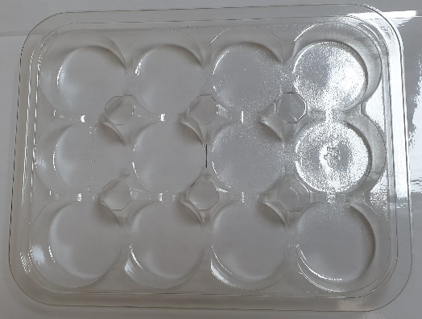

Tray: C5 12 CAV Round - CLEAR (PKHOL001-06) |  |  |  | 12 x Mini Cheese & Onion Potato Skin (GFF287R) 18g
Film: ME410A Antifog WELD seal (PKPRO001-12) (PROMENS)
STEP 3 |  |  |  |  |  | STEP 4
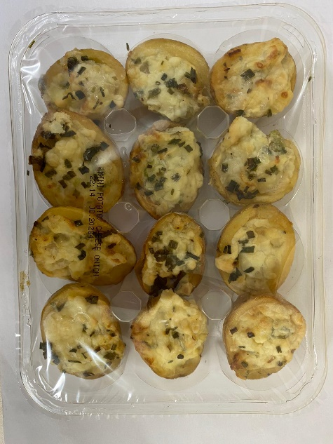

DEFROST DAY + 14 DAYS

Total Weight: 216g

ALLERGY ALERT: MILK

